Sheet2
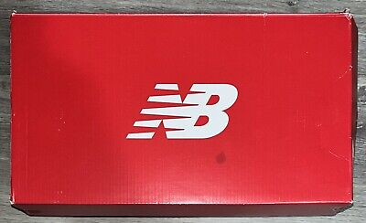 |  | WOMENS NEW BALANCE 574 ; EXPORT ONLY; NO USA SELLING; SIZING IS ESTIMATED ONLY
 |  |  | color | US RETAIL | TOT | 5 | 5.5 | 6 | 6.5 | 7 | 7.5 | 8 | 8.5 | 9 | 9.5 | 10 | 11
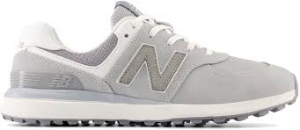 | Newbalance 574 | Light Gray | UNBOXED | $99.95 | 2102 | 240 | 240 | 240 | 130 | 130 | 130 | 130 | 130 | 126 | 126 | 240 | 240
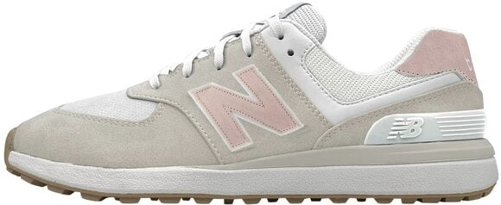 | Newbalance 574 | Sand | UNBOXED | $99.95 | 1188 | 132 | 132 | 132 | 132 | 66 | 66 | 66 | 66 | 66 | 66 | 132 | 132
 | Newbalance 574 | White Gray | UNBOXED | $99.95 | 1400 | 156 | 156 | 156 | 156 | 80 | 80 | 80 | 80 | 80 | 80 | 156 | 140
 | Newbalance 574 | White | UNBOXED | $99.95 | 2100 | 234 | 234 | 234 | 234 | 120 | 120 | 120 | 120 | 120 | 120 | 234 | 210

 |  |  |  |  | 6,790

Get ready to conquer the golf course by choosing the New Balance® Golf 574 Greens v2. Equipped with a waterproof microfiber leather upper, these sneakers are designed to withstand any weather conditions. The mesh lining ensures breathability and the CUSH+® insole takes comfort to the next level, providing unbeatable cushioning and support with every step. With the DynaSoft® 10mm drop midsole, these sneakers offer lightweight cushioning and premium responsiveness.

Removable footbed.
Lace-up closure for a custom fit.
Brand detailing on the side and back heel tab.
Elevated round toe design.
NDurance spikeless rubber outsole.
Imported.

